Sheet1
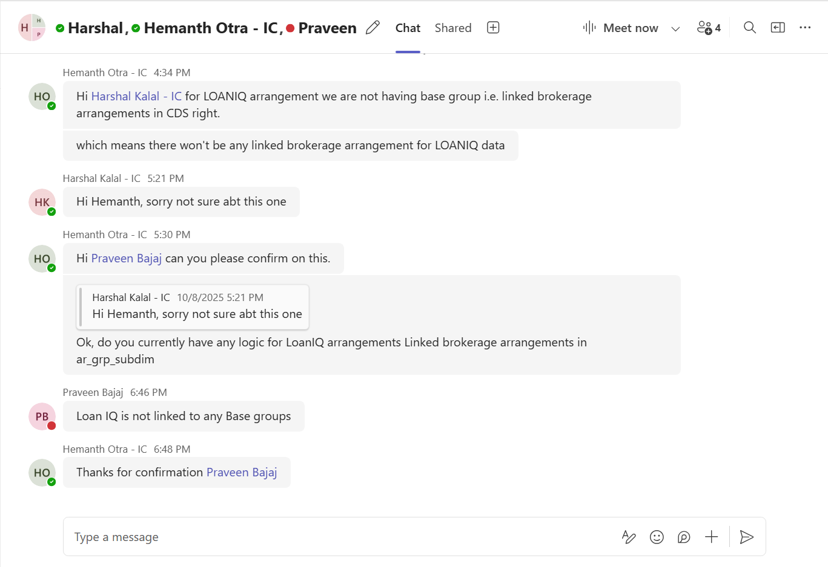
For LOANIQ we don't have Linked brokerage arrangements

